Monthly revenue
month | monthly_revenue | SQL
2023-01-01 | 19.99 | SELECT
2023-02-01 | 549.96 | DATE(DATE_TRUNC('month', order_date)) AS month,
2023-03-01 | 2808.97 | SUM(total_amount) AS monthly_revenue
2023-04-01 | 379.94 | FROM orders
2023-05-01 | 1429.47 | WHERE status = 'Completed'
2023-06-01 | 149.99 | GROUP BY month
2023-07-01 | 649.96 | ORDER BY month;
2023-08-01 | 799.94
2023-09-01 | 2039.47
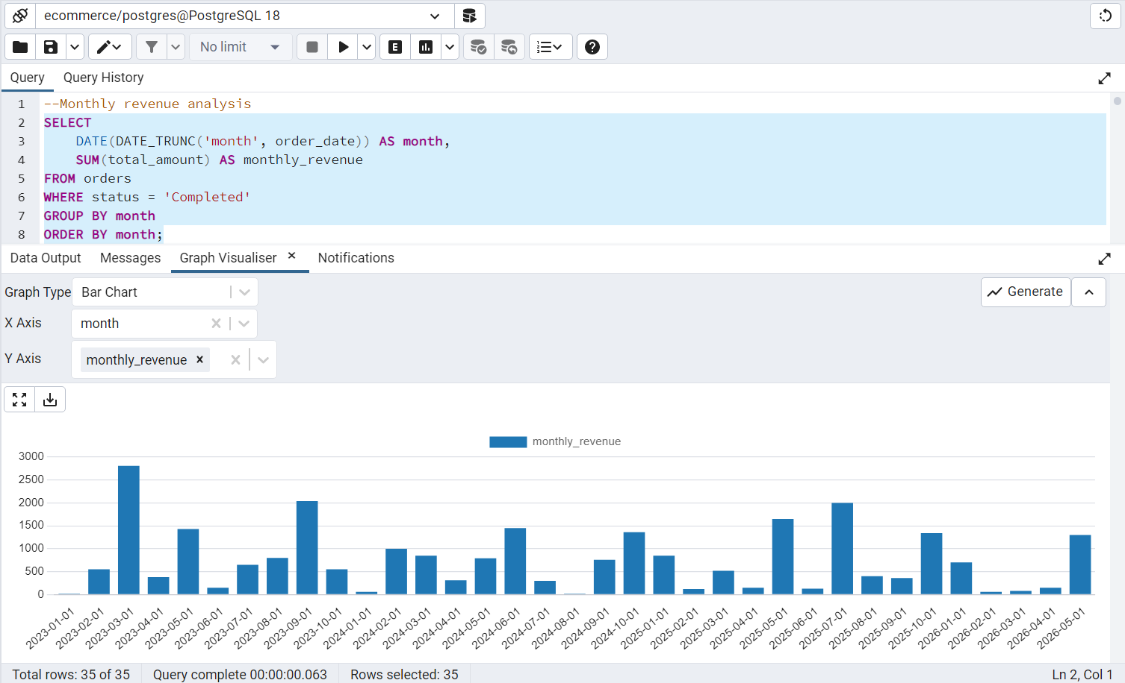
2023-10-01 | 549.98
2024-01-01 | 59.98
2024-02-01 | 999.97
2024-03-01 | 849.93
2024-04-01 | 309.94
2024-05-01 | 789.96
2024-06-01 | 1449.49
2024-07-01 | 299.91
2024-08-01 | 19.98
2024-09-01 | 759.95
2024-10-01 | 1359.47
2025-01-01 | 849.98
2025-02-01 | 119.96
2025-03-01 | 519.93
2025-04-01 | 149.97
2025-05-01 | 1649.96
2025-06-01 | 129.95
2025-07-01 | 1999.49
2025-08-01 | 399.99
2025-09-01 | 359.95
2025-10-01 | 1339.46
2026-01-01 | 699.99
2026-02-01 | 59.98
2026-03-01 | 79.96
2026-04-01 | 149.99
2026-05-01 | 1299.5

Revenue by month
month | total_orders | total_revenue | SQL
2025-03-01 | 2 | 519.93 | SELECT
2025-04-01 | 1 | 149.97 | DATE(DATE_TRUNC('month', order_date)) AS month,
2025-05-01 | 3 | 1649.96 | COUNT(DISTINCT order_id) AS total_orders,
2025-06-01 | 2 | 129.95 | SUM(total_amount) AS total_revenue
2025-07-01 | 2 | 1999.49 | FROM orders
2025-08-01 | 1 | 399.99 | WHERE status = 'Completed'
2025-09-01 | 2 | 359.95 | AND order_date >= CURRENT_DATE - INTERVAL '12 months'
2025-10-01 | 2 | 1339.46
2026-01-01 | 1 | 699.99
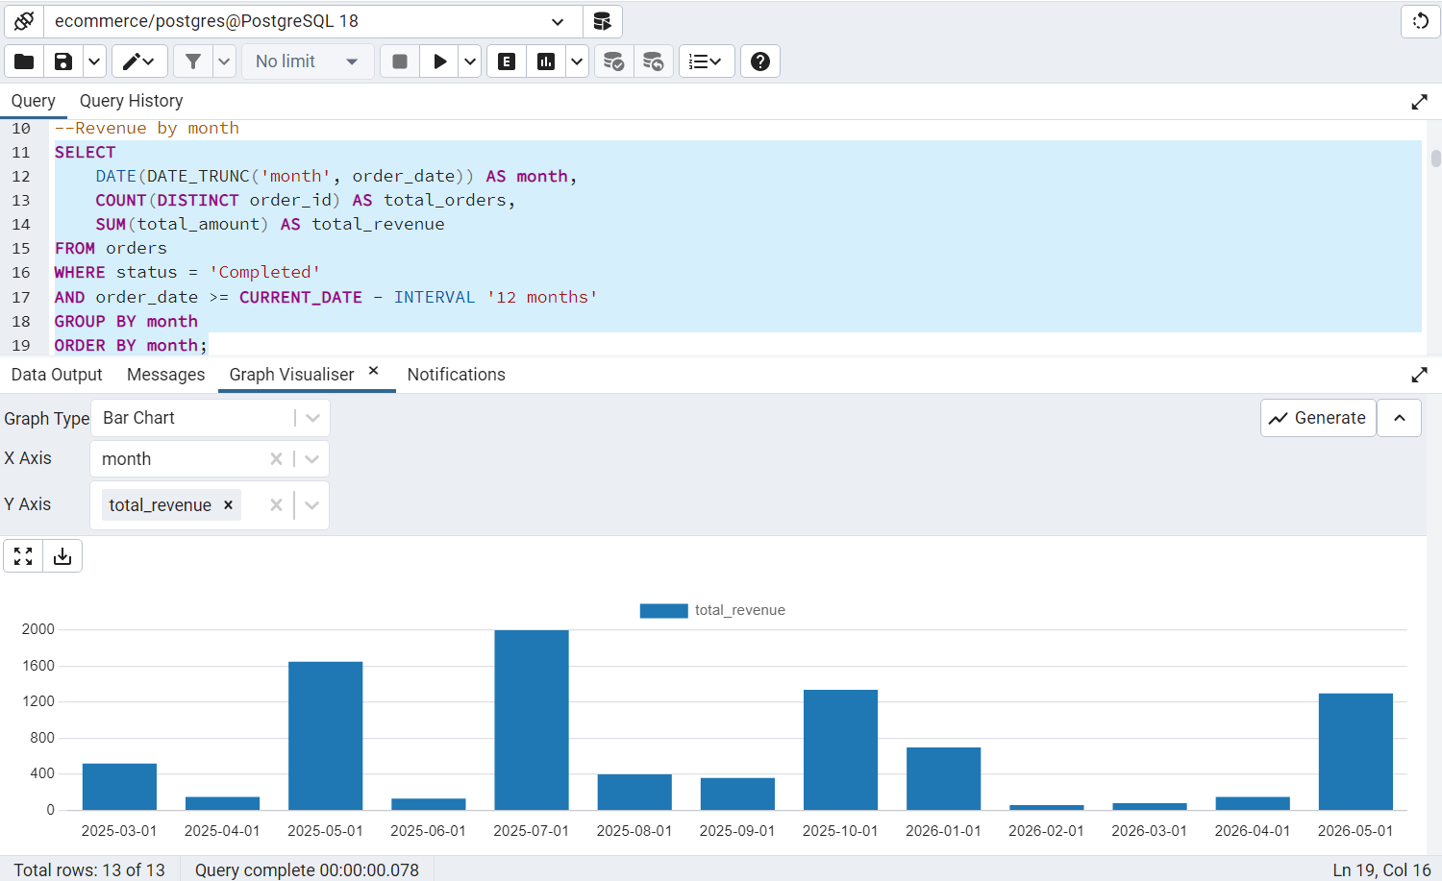
2026-02-01 | 1 | 59.98
2026-03-01 | 1 | 79.96
2026-04-01 | 1 | 149.99
2026-05-01 | 1 | 1299.5

Current year monthly trend
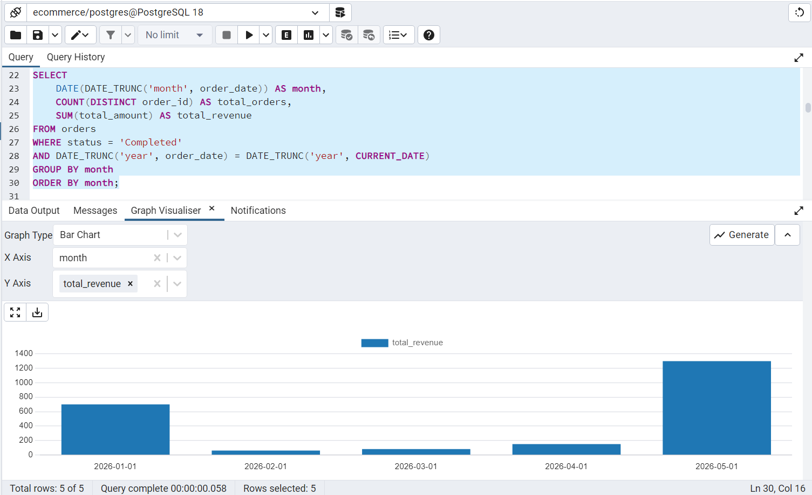
month | total_orders | total_revenue | SQL
2026-01-01 | 1 | 699.99 | SELECT
2026-02-01 | 1 | 59.98 | DATE(DATE_TRUNC('month', order_date)) AS month,
2026-03-01 | 1 | 79.96 | COUNT(DISTINCT order_id) AS total_orders,
2026-04-01 | 1 | 149.99 | SUM(total_amount) AS total_revenue
2026-05-01 | 1 | 1299.5 | FROM orders
 |  |  | WHERE status = 'Completed'
 |  |  | AND DATE_TRUNC('year', order_date) = DATE_TRUNC('year', CURRENT_DATE)
 |  |  | GROUP BY month
 |  |  | ORDER BY month;

Previous year analysis
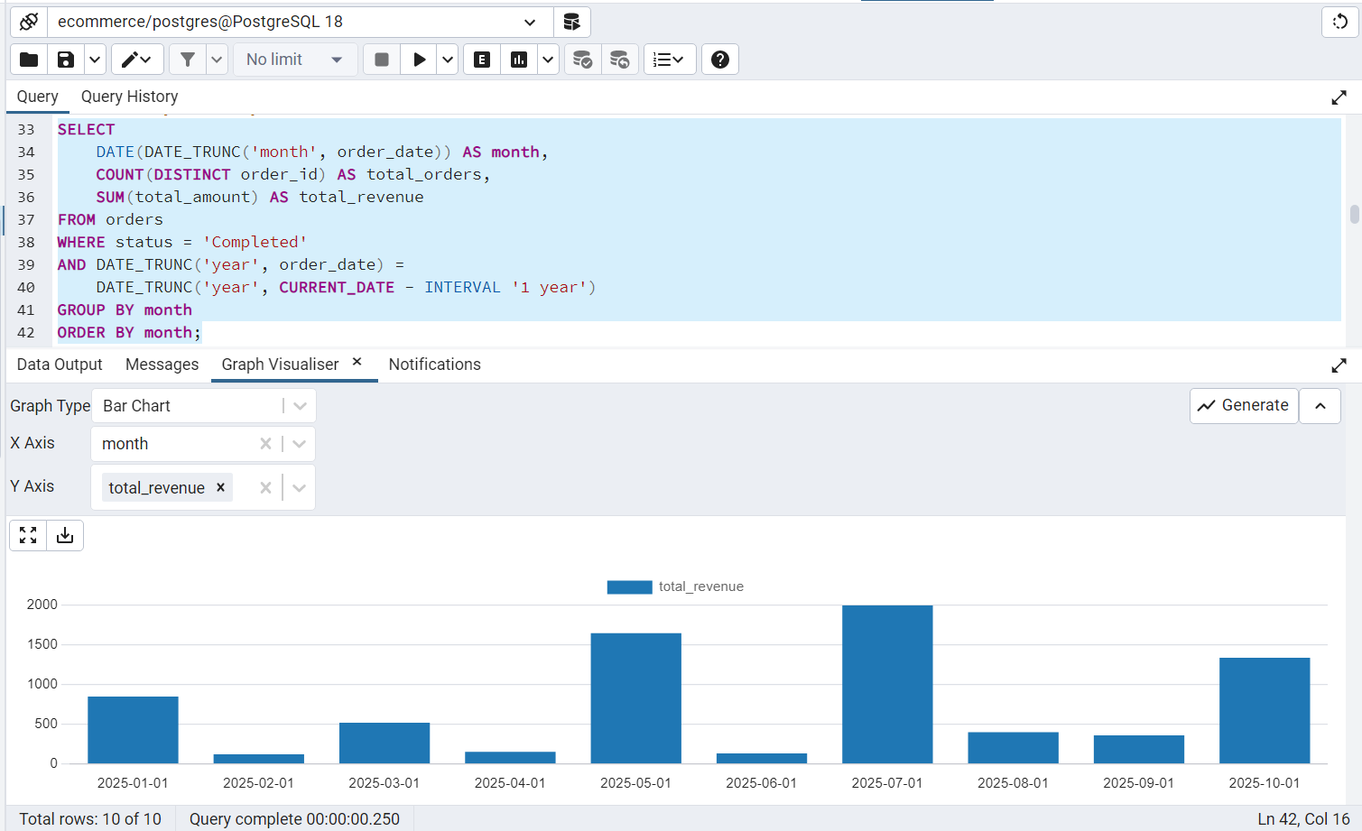
month | total_orders | total_revenue | SQL
2025-01-01 | 1 | 849.98 | SELECT
2025-02-01 | 1 | 119.96 | DATE(DATE_TRUNC('month', order_date)) AS month,
2025-03-01 | 2 | 519.93 | COUNT(DISTINCT order_id) AS total_orders,
2025-04-01 | 1 | 149.97 | SUM(total_amount) AS total_revenue
2025-05-01 | 3 | 1649.96 | FROM orders
2025-06-01 | 2 | 129.95 | WHERE status = 'Completed'
2025-07-01 | 2 | 1999.49 | AND DATE_TRUNC('year', order_date) =
2025-08-01 | 1 | 399.99 | DATE_TRUNC('year', CURRENT_DATE - INTERVAL '1 year')
2025-09-01 | 2 | 359.95 | GROUP BY month
2025-10-01 | 2 | 1339.46 | ORDER BY month;

Last 3 years trend
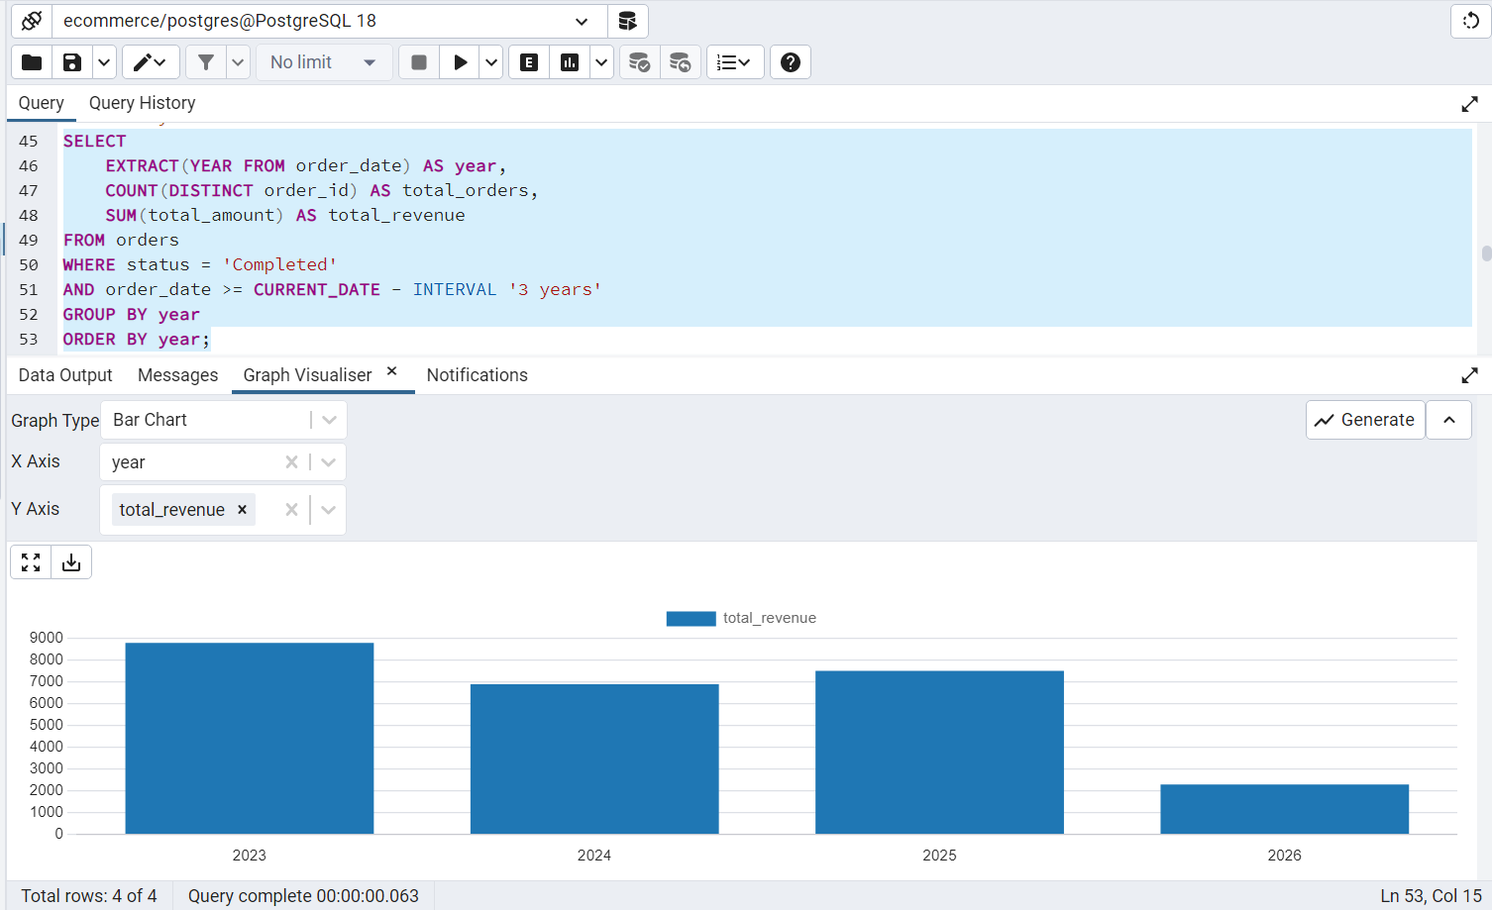
year | total_orders | total_revenue | SQL
2023 | 13 | 8807.72 | SELECT
2024 | 16 | 6898.58 | EXTRACT(YEAR FROM order_date) AS year,
2025 | 17 | 7518.64 | COUNT(DISTINCT order_id) AS total_orders,
2026 | 5 | 2289.42 | SUM(total_amount) AS total_revenue
 |  |  | FROM orders
 |  |  | WHERE status = 'Completed'
 |  |  | AND order_date >= CURRENT_DATE - INTERVAL '3 years'
 |  |  | GROUP BY year
 |  |  | ORDER BY year;

Rolling 6-month profit trend
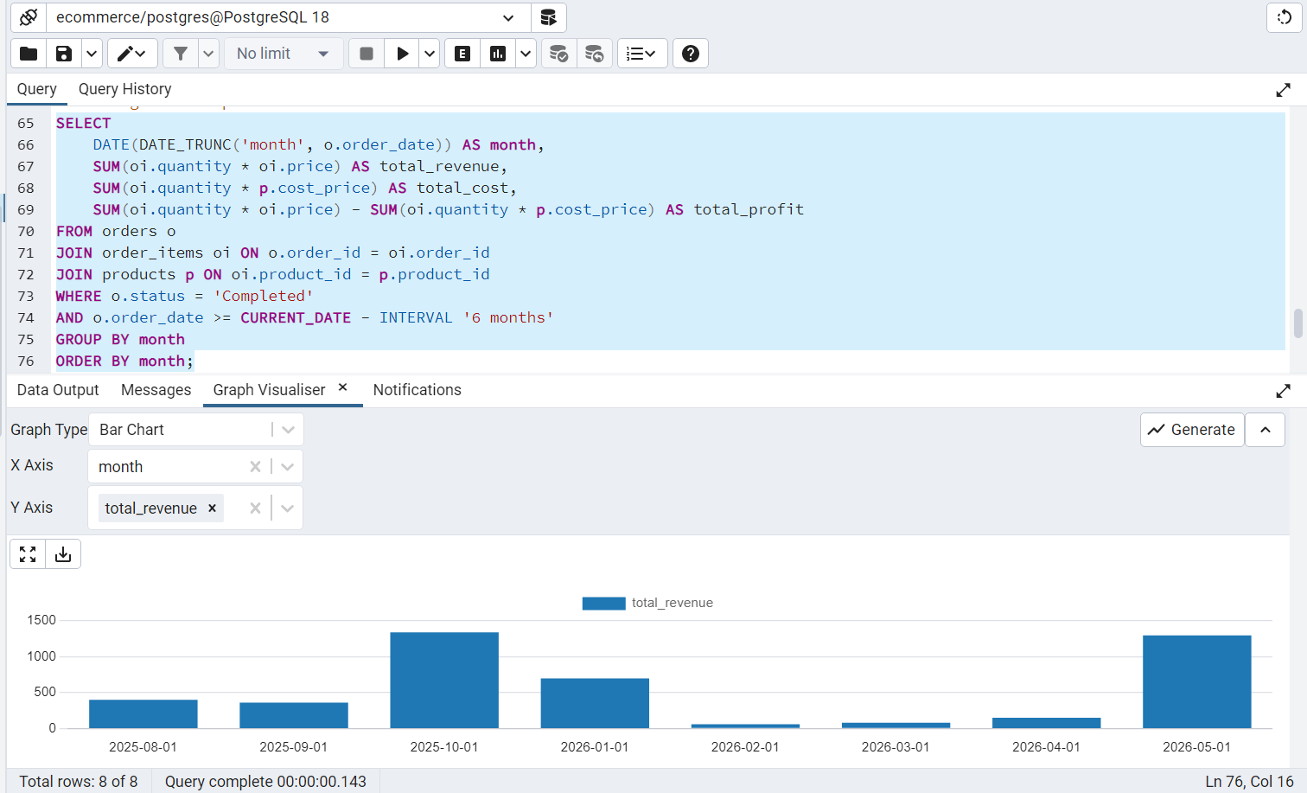
month | total_revenue | total_cost | total_profit | SQL
2025-08-01 | 399.99 | 280 | 119.99 | SELECT
2025-09-01 | 359.95 | 220 | 139.95 | DATE(DATE_TRUNC('month', o.order_date)) AS month,
2025-10-01 | 1339.46 | 1018 | 321.46 | SUM(oi.quantity * oi.price) AS total_revenue,
2026-01-01 | 699.99 | 520 | 179.99 | SUM(oi.quantity * p.cost_price) AS total_cost,
2026-02-01 | 59.98 | 24 | 35.98 | SUM(oi.quantity * oi.price) - SUM(oi.quantity * p.cost_price) AS total_profit
2026-03-01 | 79.96 | 40 | 39.96 | FROM orders o
2026-04-01 | 149.99 | 95 | 54.99 | JOIN order_items oi ON o.order_id = oi.order_id
2026-05-01 | 1299.5 | 1000 | 299.5 | JOIN products p ON oi.product_id = p.product_id
 |  |  |  | WHERE o.status = 'Completed'
 |  |  |  | AND o.order_date >= CURRENT_DATE - INTERVAL '6 months'
 |  |  |  | GROUP BY month
 |  |  |  | ORDER BY month;

